Figure2.6
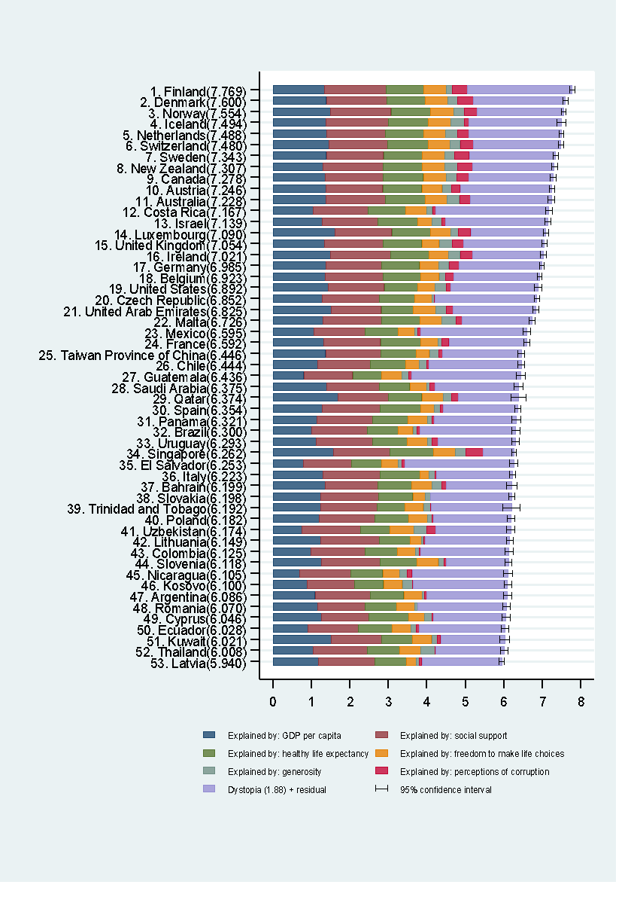
Country | Happiness score | Whisker-high | Whisker-low | Dystopia (1.88) + residual | Explained by: GDP per capita | Explained by: Social support | Explained by: Healthy life expectancy | Explained by: Freedom to make life choices | Explained by: Generosity | Explained by: Perceptions of corruption
Finland | 7.769 | 7.830 | 7.708 | 2.714 | 1.340 | 1.587 | 0.986 | 0.596 | 0.153 | 0.393
Denmark | 7.600 | 7.667 | 7.534 | 2.393 | 1.383 | 1.573 | 0.996 | 0.592 | 0.252 | 0.410
Norway | 7.554 | 7.616 | 7.492 | 2.241 | 1.488 | 1.582 | 1.028 | 0.603 | 0.271 | 0.341
Iceland | 7.494 | 7.613 | 7.374 | 2.401 | 1.380 | 1.624 | 1.026 | 0.591 | 0.354 | 0.118
Netherlands | 7.488 | 7.542 | 7.433 | 2.393 | 1.396 | 1.522 | 0.999 | 0.557 | 0.322 | 0.298
Switzerland | 7.480 | 7.553 | 7.408 | 2.272 | 1.452 | 1.526 | 1.052 | 0.572 | 0.263 | 0.343
Sweden | 7.343 | 7.416 | 7.270 | 2.246 | 1.387 | 1.487 | 1.009 | 0.574 | 0.267 | 0.373
New Zealand | 7.307 | 7.383 | 7.232 | 2.127 | 1.303 | 1.557 | 1.026 | 0.585 | 0.330 | 0.380
Canada | 7.278 | 7.357 | 7.200 | 2.193 | 1.365 | 1.505 | 1.039 | 0.584 | 0.285 | 0.308
Austria | 7.246 | 7.313 | 7.179 | 2.378 | 1.376 | 1.475 | 1.016 | 0.532 | 0.244 | 0.226
Australia | 7.228 | 7.315 | 7.141 | 2.094 | 1.372 | 1.548 | 1.036 | 0.557 | 0.332 | 0.290
Costa Rica | 7.167 | 7.254 | 7.081 | 2.933 | 1.034 | 1.441 | 0.963 | 0.558 | 0.144 | 0.093
Israel | 7.139 | 7.206 | 7.071 | 2.665 | 1.276 | 1.455 | 1.029 | 0.371 | 0.261 | 0.082
Luxembourg | 7.090 | 7.152 | 7.028 | 1.954 | 1.609 | 1.479 | 1.012 | 0.526 | 0.194 | 0.316
United Kingdom | 7.054 | 7.126 | 6.982 | 2.112 | 1.333 | 1.538 | 0.996 | 0.450 | 0.348 | 0.278
Ireland | 7.021 | 7.102 | 6.941 | 1.845 | 1.499 | 1.553 | 0.999 | 0.516 | 0.298 | 0.310
Germany | 6.985 | 7.045 | 6.925 | 2.150 | 1.373 | 1.454 | 0.987 | 0.495 | 0.261 | 0.265
Belgium | 6.923 | 6.988 | 6.858 | 2.235 | 1.356 | 1.504 | 0.986 | 0.473 | 0.160 | 0.210
United States | 6.892 | 6.986 | 6.798 | 2.266 | 1.433 | 1.457 | 0.874 | 0.454 | 0.280 | 0.128
Czech Republic | 6.852 | 6.921 | 6.783 | 2.636 | 1.269 | 1.487 | 0.920 | 0.457 | 0.046 | 0.036
United Arab Emirates | 6.825 | 6.901 | 6.748 | 2.145 | 1.503 | 1.310 | 0.825 | 0.598 | 0.262 | 0.182
Malta | 6.726 | 6.810 | 6.642 | 1.816 | 1.300 | 1.520 | 0.999 | 0.564 | 0.375 | 0.151
Mexico | 6.595 | 6.687 | 6.502 | 2.761 | 1.070 | 1.323 | 0.861 | 0.433 | 0.074 | 0.073
France | 6.592 | 6.667 | 6.518 | 2.021 | 1.324 | 1.472 | 1.045 | 0.436 | 0.111 | 0.183
Taiwan Province of China | 6.446 | 6.528 | 6.365 | 2.045 | 1.368 | 1.430 | 0.914 | 0.351 | 0.242 | 0.097
Chile | 6.444 | 6.534 | 6.354 | 2.397 | 1.159 | 1.369 | 0.920 | 0.357 | 0.187 | 0.056
Guatemala | 6.436 | 6.549 | 6.323 | 2.833 | 0.800 | 1.269 | 0.746 | 0.535 | 0.175 | 0.078
Saudi Arabia | 6.375 | 6.481 | 6.268 | 2.169 | 1.403 | 1.357 | 0.795 | 0.439 | 0.080 | 0.132
Qatar | 6.374 | 6.568 | 6.181 | 1.565 | 1.684 | 1.313 | 0.871 | 0.555 | 0.220 | 0.167
Spain | 6.354 | 6.432 | 6.276 | 1.929 | 1.286 | 1.484 | 1.062 | 0.362 | 0.153 | 0.079
Panama | 6.321 | 6.433 | 6.209 | 2.141 | 1.149 | 1.442 | 0.910 | 0.516 | 0.109 | 0.054
Brazil | 6.300 | 6.403 | 6.197 | 2.480 | 1.004 | 1.439 | 0.802 | 0.390 | 0.099 | 0.086
Uruguay | 6.293 | 6.388 | 6.198 | 2.014 | 1.124 | 1.465 | 0.891 | 0.523 | 0.127 | 0.150
Singapore | 6.262 | 6.324 | 6.200 | 0.807 | 1.572 | 1.463 | 1.141 | 0.556 | 0.271 | 0.453
El Salvador | 6.253 | 6.362 | 6.144 | 2.831 | 0.794 | 1.242 | 0.789 | 0.430 | 0.093 | 0.074
Italy | 6.223 | 6.306 | 6.141 | 1.984 | 1.294 | 1.488 | 1.039 | 0.231 | 0.158 | 0.030
Bahrain | 6.199 | 6.324 | 6.075 | 1.698 | 1.362 | 1.368 | 0.871 | 0.536 | 0.255 | 0.110
Slovakia | 6.198 | 6.275 | 6.120 | 2.097 | 1.246 | 1.504 | 0.881 | 0.334 | 0.121 | 0.014
Trinidad and Tobago | 6.192 | 6.416 | 5.968 | 2.081 | 1.231 | 1.477 | 0.713 | 0.489 | 0.185 | 0.016
Poland | 6.182 | 6.269 | 6.094 | 2.003 | 1.206 | 1.438 | 0.884 | 0.483 | 0.117 | 0.050
Uzbekistan | 6.174 | 6.279 | 6.069 | 1.951 | 0.745 | 1.529 | 0.756 | 0.631 | 0.322 | 0.240
Lithuania | 6.149 | 6.236 | 6.062 | 2.202 | 1.238 | 1.515 | 0.818 | 0.291 | 0.043 | 0.042
Colombia | 6.125 | 6.229 | 6.020 | 2.286 | 0.985 | 1.410 | 0.841 | 0.470 | 0.099 | 0.034
Slovenia | 6.118 | 6.209 | 6.026 | 1.618 | 1.258 | 1.523 | 0.953 | 0.564 | 0.144 | 0.057
Nicaragua | 6.105 | 6.218 | 5.992 | 2.490 | 0.694 | 1.325 | 0.835 | 0.435 | 0.200 | 0.127
Kosovo | 6.100 | 6.199 | 6.001 | 2.469 | 0.882 | 1.232 | 0.758 | 0.489 | 0.262 | 0.006
Argentina | 6.086 | 6.192 | 5.981 | 2.096 | 1.092 | 1.432 | 0.881 | 0.471 | 0.066 | 0.050
Romania | 6.070 | 6.163 | 5.976 | 2.302 | 1.162 | 1.232 | 0.825 | 0.462 | 0.083 | 0.005
Cyprus | 6.046 | 6.149 | 5.942 | 1.880 | 1.263 | 1.223 | 1.042 | 0.406 | 0.190 | 0.041
Ecuador | 6.028 | 6.130 | 5.925 | 2.225 | 0.912 | 1.312 | 0.868 | 0.498 | 0.126 | 0.087
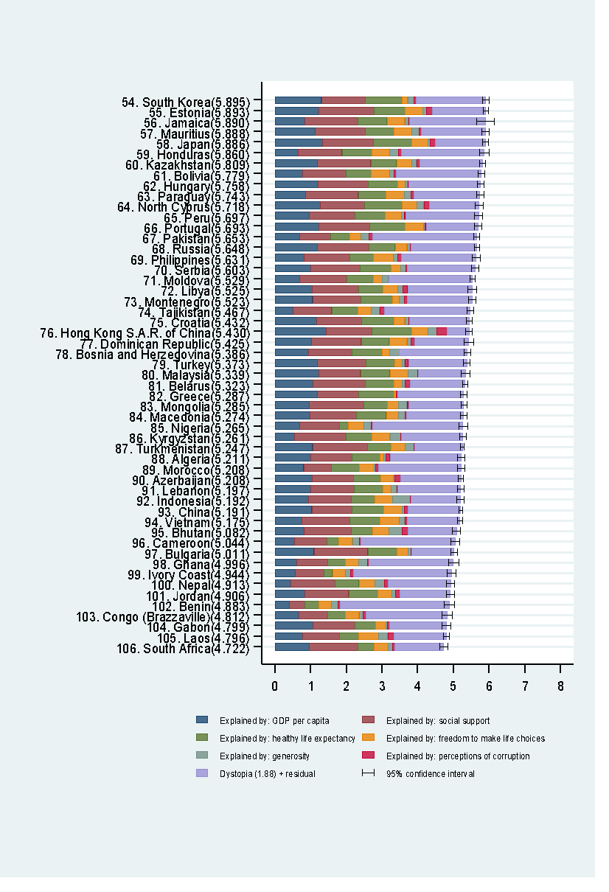
Kuwait | 6.021 | 6.148 | 5.893 | 1.661 | 1.500 | 1.319 | 0.808 | 0.493 | 0.142 | 0.097
Thailand | 6.008 | 6.103 | 5.913 | 1.777 | 1.050 | 1.409 | 0.828 | 0.557 | 0.359 | 0.028
Latvia | 5.940 | 6.011 | 5.869 | 2.073 | 1.187 | 1.465 | 0.812 | 0.264 | 0.075 | 0.064
South Korea | 5.895 | 5.984 | 5.805 | 1.949 | 1.301 | 1.219 | 1.036 | 0.159 | 0.175 | 0.056
Estonia | 5.893 | 5.965 | 5.822 | 1.496 | 1.237 | 1.528 | 0.874 | 0.495 | 0.103 | 0.161
Jamaica | 5.890 | 6.126 | 5.653 | 2.125 | 0.831 | 1.478 | 0.831 | 0.490 | 0.107 | 0.028
Mauritius | 5.888 | 5.991 | 5.785 | 1.795 | 1.120 | 1.402 | 0.798 | 0.498 | 0.215 | 0.060
Japan | 5.886 | 5.970 | 5.802 | 1.399 | 1.327 | 1.419 | 1.088 | 0.445 | 0.069 | 0.140
Honduras | 5.860 | 5.987 | 5.734 | 2.323 | 0.642 | 1.236 | 0.828 | 0.507 | 0.246 | 0.078
Kazakhstan | 5.809 | 5.890 | 5.727 | 1.746 | 1.173 | 1.508 | 0.729 | 0.410 | 0.146 | 0.096
Bolivia | 5.779 | 5.876 | 5.683 | 2.376 | 0.776 | 1.209 | 0.706 | 0.511 | 0.137 | 0.064
Hungary | 5.758 | 5.853 | 5.663 | 2.020 | 1.201 | 1.410 | 0.828 | 0.199 | 0.081 | 0.020
Paraguay | 5.743 | 5.837 | 5.648 | 1.857 | 0.855 | 1.475 | 0.777 | 0.514 | 0.184 | 0.080
North Cyprus | 5.718 | 5.819 | 5.616 | 1.390 | 1.263 | 1.252 | 1.042 | 0.417 | 0.191 | 0.162
Peru | 5.697 | 5.811 | 5.583 | 2.044 | 0.960 | 1.274 | 0.854 | 0.455 | 0.083 | 0.027
Portugal | 5.693 | 5.792 | 5.593 | 1.462 | 1.221 | 1.431 | 0.999 | 0.508 | 0.047 | 0.025
Pakistan | 5.653 | 5.732 | 5.574 | 2.924 | 0.677 | 0.886 | 0.535 | 0.313 | 0.220 | 0.098
Russia | 5.648 | 5.713 | 5.583 | 1.839 | 1.183 | 1.452 | 0.726 | 0.334 | 0.082 | 0.031
Philippines | 5.631 | 5.744 | 5.519 | 2.092 | 0.807 | 1.293 | 0.657 | 0.558 | 0.117 | 0.107
Serbia | 5.603 | 5.705 | 5.501 | 1.904 | 1.004 | 1.383 | 0.854 | 0.282 | 0.137 | 0.039
Moldova | 5.529 | 5.604 | 5.453 | 2.350 | 0.685 | 1.328 | 0.739 | 0.245 | 0.181 | 0.000
Libya | 5.525 | 5.646 | 5.404 | 1.804 | 1.044 | 1.303 | 0.673 | 0.416 | 0.133 | 0.152
Montenegro | 5.523 | 5.621 | 5.425 | 1.822 | 1.051 | 1.361 | 0.871 | 0.197 | 0.142 | 0.080
Tajikistan | 5.467 | 5.568 | 5.366 | 2.397 | 0.493 | 1.098 | 0.718 | 0.389 | 0.230 | 0.144
Croatia | 5.432 | 5.510 | 5.354 | 1.660 | 1.155 | 1.266 | 0.914 | 0.296 | 0.119 | 0.022
Hong Kong S.A.R. of China | 5.430 | 5.523 | 5.337 | 0.609 | 1.438 | 1.277 | 1.122 | 0.440 | 0.258 | 0.287
Dominican Republic | 5.425 | 5.559 | 5.291 | 1.519 | 1.015 | 1.401 | 0.779 | 0.497 | 0.113 | 0.101
Bosnia and Herzegovina | 5.386 | 5.477 | 5.296 | 1.905 | 0.945 | 1.212 | 0.845 | 0.212 | 0.263 | 0.006
Turkey | 5.373 | 5.466 | 5.280 | 1.636 | 1.183 | 1.360 | 0.808 | 0.195 | 0.083 | 0.106
Malaysia | 5.339 | 5.461 | 5.216 | 1.326 | 1.221 | 1.171 | 0.828 | 0.508 | 0.260 | 0.024
Belarus | 5.323 | 5.392 | 5.253 | 1.531 | 1.067 | 1.465 | 0.789 | 0.235 | 0.094 | 0.142
Greece | 5.287 | 5.382 | 5.191 | 1.848 | 1.181 | 1.156 | 0.999 | 0.067 | 0.000 | 0.034
Mongolia | 5.285 | 5.362 | 5.208 | 1.550 | 0.948 | 1.531 | 0.667 | 0.317 | 0.235 | 0.038
Macedonia | 5.274 | 5.365 | 5.182 | 1.595 | 0.983 | 1.294 | 0.838 | 0.345 | 0.185 | 0.034
Nigeria | 5.265 | 5.389 | 5.140 | 2.530 | 0.696 | 1.111 | 0.245 | 0.426 | 0.215 | 0.041
Kyrgyzstan | 5.261 | 5.348 | 5.173 | 1.719 | 0.551 | 1.438 | 0.723 | 0.508 | 0.300 | 0.023
Turkmenistan | 5.247 | 5.302 | 5.191 | 1.334 | 1.052 | 1.538 | 0.657 | 0.394 | 0.244 | 0.028
Algeria | 5.211 | 5.304 | 5.119 | 1.992 | 1.002 | 1.160 | 0.785 | 0.086 | 0.073 | 0.114
Morocco | 5.208 | 5.308 | 5.108 | 2.314 | 0.801 | 0.782 | 0.782 | 0.418 | 0.036 | 0.076
Azerbaijan | 5.208 | 5.279 | 5.136 | 1.680 | 1.043 | 1.147 | 0.769 | 0.351 | 0.035 | 0.182
Lebanon | 5.197 | 5.284 | 5.110 | 1.762 | 0.987 | 1.224 | 0.815 | 0.216 | 0.166 | 0.027
Indonesia | 5.192 | 5.300 | 5.085 | 1.382 | 0.931 | 1.203 | 0.660 | 0.491 | 0.498 | 0.028
China | 5.191 | 5.240 | 5.141 | 1.466 | 1.029 | 1.125 | 0.893 | 0.521 | 0.058 | 0.100
Vietnam | 5.175 | 5.247 | 5.103 | 1.474 | 0.741 | 1.346 | 0.851 | 0.543 | 0.147 | 0.073
Bhutan | 5.082 | 5.196 | 4.969 | 1.350 | 0.813 | 1.321 | 0.604 | 0.457 | 0.370 | 0.167
Cameroon | 5.044 | 5.170 | 4.918 | 2.649 | 0.549 | 0.910 | 0.331 | 0.381 | 0.187 | 0.037
Bulgaria | 5.011 | 5.098 | 4.924 | 1.195 | 1.092 | 1.513 | 0.815 | 0.311 | 0.081 | 0.004
Ghana | 4.996 | 5.137 | 4.856 | 2.367 | 0.611 | 0.868 | 0.486 | 0.381 | 0.245 | 0.040
Ivory Coast | 4.944 | 5.072 | 4.815 | 2.739 | 0.569 | 0.808 | 0.232 | 0.352 | 0.154 | 0.090
Nepal | 4.913 | 5.031 | 4.794 | 1.751 | 0.446 | 1.226 | 0.677 | 0.439 | 0.285 | 0.089
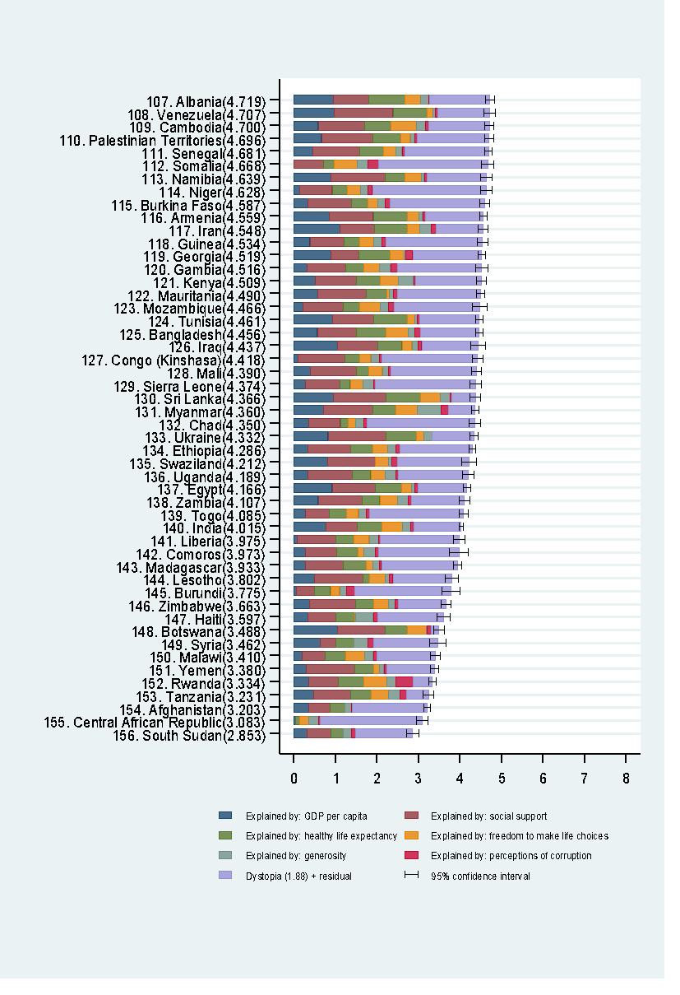
Jordan | 4.906 | 5.019 | 4.792 | 1.406 | 0.837 | 1.225 | 0.815 | 0.383 | 0.110 | 0.130
Benin | 4.883 | 5.022 | 4.745 | 3.049 | 0.393 | 0.437 | 0.397 | 0.349 | 0.175 | 0.082
Congo (Brazzaville) | 4.812 | 4.955 | 4.668 | 2.262 | 0.673 | 0.799 | 0.508 | 0.372 | 0.105 | 0.093
Gabon | 4.799 | 4.912 | 4.687 | 1.596 | 1.057 | 1.183 | 0.571 | 0.295 | 0.043 | 0.055
Laos | 4.796 | 4.881 | 4.711 | 1.473 | 0.764 | 1.030 | 0.551 | 0.547 | 0.266 | 0.164
South Africa | 4.722 | 4.838 | 4.607 | 1.369 | 0.960 | 1.351 | 0.469 | 0.389 | 0.130 | 0.055
Albania | 4.719 | 4.829 | 4.608 | 1.461 | 0.947 | 0.848 | 0.874 | 0.383 | 0.178 | 0.027
Venezuela | 4.707 | 4.835 | 4.579 | 1.250 | 0.960 | 1.427 | 0.805 | 0.154 | 0.064 | 0.047
Cambodia | 4.700 | 4.810 | 4.589 | 1.465 | 0.574 | 1.122 | 0.637 | 0.609 | 0.232 | 0.062
Palestinian Territories | 4.696 | 4.806 | 4.587 | 1.727 | 0.657 | 1.247 | 0.672 | 0.225 | 0.103 | 0.066
Senegal | 4.681 | 4.764 | 4.598 | 2.009 | 0.450 | 1.134 | 0.571 | 0.292 | 0.153 | 0.072
Somalia | 4.668 | 4.811 | 4.525 | 2.629 | 0.000 | 0.698 | 0.268 | 0.559 | 0.243 | 0.270
Namibia | 4.639 | 4.777 | 4.501 | 1.443 | 0.879 | 1.313 | 0.477 | 0.401 | 0.070 | 0.056
Niger | 4.628 | 4.765 | 4.490 | 2.742 | 0.138 | 0.774 | 0.366 | 0.318 | 0.188 | 0.102
Burkina Faso | 4.587 | 4.695 | 4.479 | 2.275 | 0.331 | 1.056 | 0.380 | 0.255 | 0.177 | 0.113
Armenia | 4.559 | 4.652 | 4.467 | 1.398 | 0.850 | 1.055 | 0.815 | 0.283 | 0.095 | 0.064
Iran | 4.548 | 4.659 | 4.437 | 1.121 | 1.100 | 0.842 | 0.785 | 0.305 | 0.270 | 0.125
Guinea | 4.534 | 4.667 | 4.402 | 2.325 | 0.380 | 0.829 | 0.375 | 0.332 | 0.207 | 0.086
Georgia | 4.519 | 4.603 | 4.435 | 1.662 | 0.886 | 0.666 | 0.752 | 0.346 | 0.043 | 0.164
Gambia | 4.516 | 4.668 | 4.365 | 2.023 | 0.308 | 0.939 | 0.428 | 0.382 | 0.269 | 0.167
Kenya | 4.509 | 4.626 | 4.391 | 1.576 | 0.512 | 0.983 | 0.581 | 0.431 | 0.372 | 0.053
Mauritania | 4.490 | 4.591 | 4.389 | 2.005 | 0.570 | 1.167 | 0.489 | 0.066 | 0.106 | 0.088
Mozambique | 4.466 | 4.642 | 4.290 | 2.058 | 0.204 | 0.986 | 0.390 | 0.494 | 0.197 | 0.138
Tunisia | 4.461 | 4.548 | 4.373 | 1.444 | 0.921 | 1.000 | 0.815 | 0.167 | 0.059 | 0.055
Bangladesh | 4.456 | 4.538 | 4.373 | 1.406 | 0.562 | 0.928 | 0.723 | 0.527 | 0.166 | 0.143
Iraq | 4.437 | 4.610 | 4.264 | 1.362 | 1.043 | 0.980 | 0.574 | 0.241 | 0.148 | 0.089
Congo (Kinshasa) | 4.418 | 4.543 | 4.293 | 2.308 | 0.094 | 1.125 | 0.357 | 0.269 | 0.212 | 0.053
Mali | 4.390 | 4.498 | 4.283 | 2.061 | 0.385 | 1.105 | 0.308 | 0.327 | 0.153 | 0.052
Sierra Leone | 4.374 | 4.510 | 4.238 | 2.416 | 0.268 | 0.841 | 0.242 | 0.309 | 0.252 | 0.045
Sri Lanka | 4.366 | 4.490 | 4.242 | 0.559 | 0.949 | 1.265 | 0.831 | 0.470 | 0.244 | 0.047
Myanmar | 4.360 | 4.442 | 4.279 | 0.652 | 0.710 | 1.181 | 0.555 | 0.525 | 0.566 | 0.172
Chad | 4.350 | 4.484 | 4.215 | 2.591 | 0.350 | 0.766 | 0.192 | 0.174 | 0.198 | 0.078
Ukraine | 4.332 | 4.430 | 4.235 | 1.008 | 0.820 | 1.390 | 0.739 | 0.178 | 0.187 | 0.010
Ethiopia | 4.286 | 4.365 | 4.206 | 1.731 | 0.336 | 1.033 | 0.532 | 0.344 | 0.209 | 0.100
Swaziland | 4.212 | 4.392 | 4.031 | 1.730 | 0.811 | 1.149 | 0.000 | 0.313 | 0.074 | 0.135
Uganda | 4.189 | 4.319 | 4.060 | 1.677 | 0.332 | 1.069 | 0.443 | 0.356 | 0.252 | 0.060
Egypt | 4.166 | 4.252 | 4.079 | 1.187 | 0.913 | 1.039 | 0.644 | 0.241 | 0.076 | 0.067
Zambia | 4.107 | 4.232 | 3.981 | 1.280 | 0.578 | 1.058 | 0.426 | 0.431 | 0.247 | 0.087
Togo | 4.085 | 4.197 | 3.972 | 2.273 | 0.275 | 0.572 | 0.410 | 0.293 | 0.177 | 0.085
India | 4.015 | 4.062 | 3.968 | 1.126 | 0.755 | 0.765 | 0.588 | 0.498 | 0.200 | 0.085
Liberia | 3.975 | 4.115 | 3.836 | 1.902 | 0.073 | 0.922 | 0.443 | 0.370 | 0.233 | 0.033
Comoros | 3.973 | 4.196 | 3.749 | 1.941 | 0.274 | 0.757 | 0.505 | 0.142 | 0.275 | 0.078
Madagascar | 3.933 | 4.033 | 3.833 | 1.831 | 0.274 | 0.916 | 0.555 | 0.148 | 0.169 | 0.041
Lesotho | 3.802 | 3.963 | 3.641 | 1.417 | 0.489 | 1.169 | 0.168 | 0.359 | 0.107 | 0.093
Burundi | 3.775 | 3.985 | 3.565 | 2.325 | 0.046 | 0.447 | 0.380 | 0.220 | 0.176 | 0.180
Zimbabwe | 3.663 | 3.780 | 3.546 | 1.149 | 0.366 | 1.114 | 0.433 | 0.361 | 0.151 | 0.089
Haiti | 3.597 | 3.751 | 3.443 | 1.581 | 0.323 | 0.688 | 0.449 | 0.026 | 0.419 | 0.110
Botswana | 3.488 | 3.611 | 3.365 | 0.183 | 1.041 | 1.145 | 0.538 | 0.455 | 0.025 | 0.100
Syria | 3.462 | 3.664 | 3.260 | 1.541 | 0.619 | 0.378 | 0.440 | 0.013 | 0.331 | 0.141
Malawi | 3.410 | 3.525 | 3.294 | 1.413 | 0.191 | 0.560 | 0.495 | 0.443 | 0.218 | 0.089
Yemen | 3.380 | 3.479 | 3.281 | 1.139 | 0.287 | 1.163 | 0.463 | 0.143 | 0.108 | 0.077
Rwanda | 3.334 | 3.425 | 3.242 | 0.467 | 0.359 | 0.711 | 0.614 | 0.555 | 0.217 | 0.411
Tanzania | 3.231 | 3.347 | 3.114 | 0.531 | 0.476 | 0.885 | 0.499 | 0.417 | 0.276 | 0.147
Afghanistan | 3.203 | 3.278 | 3.129 | 1.793 | 0.350 | 0.517 | 0.361 | 0.000 | 0.158 | 0.025
Central African Republic | 3.083 | 3.227 | 2.939 | 2.456 | 0.026 | 0.000 | 0.105 | 0.225 | 0.235 | 0.035
South Sudan | 2.853 | 3.005 | 2.701 | 1.374 | 0.306 | 0.575 | 0.295 | 0.010 | 0.202 | 0.091

Figure2.7
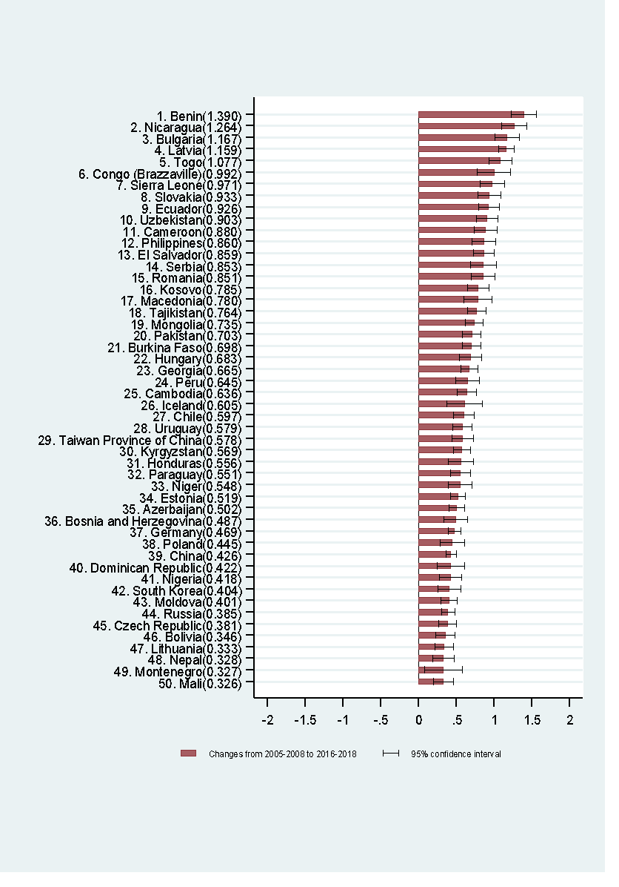
Country | Changes in happiness scores | Whisker-high | Whisker-low
Benin | 1.390 | 1.555 | 1.225
Nicaragua | 1.264 | 1.426 | 1.101
Bulgaria | 1.167 | 1.325 | 1.009
Latvia | 1.159 | 1.258 | 1.059
Togo | 1.077 | 1.225 | 0.930
Congo (Brazzaville) | 0.992 | 1.210 | 0.774
Sierra Leone | 0.971 | 1.131 | 0.810
Slovakia | 0.933 | 1.086 | 0.780
Ecuador | 0.926 | 1.059 | 0.792
Uzbekistan | 0.903 | 1.043 | 0.762
Cameroon | 0.880 | 1.028 | 0.732
Philippines | 0.860 | 1.017 | 0.703
El Salvador | 0.859 | 0.996 | 0.721
Serbia | 0.853 | 1.020 | 0.686
Romania | 0.851 | 1.004 | 0.699
Kosovo | 0.785 | 0.926 | 0.645
Macedonia | 0.780 | 0.965 | 0.595
Tajikistan | 0.764 | 0.885 | 0.643
Mongolia | 0.735 | 0.848 | 0.623
Pakistan | 0.703 | 0.822 | 0.583
Burkina Faso | 0.698 | 0.821 | 0.575
Hungary | 0.683 | 0.830 | 0.536
Georgia | 0.665 | 0.775 | 0.554
Peru | 0.645 | 0.797 | 0.493
Cambodia | 0.636 | 0.764 | 0.508
Iceland | 0.605 | 0.835 | 0.376
Chile | 0.597 | 0.732 | 0.462
Uruguay | 0.579 | 0.705 | 0.452
Taiwan Province of China | 0.578 | 0.716 | 0.440
Kyrgyzstan | 0.569 | 0.678 | 0.460
Honduras | 0.556 | 0.718 | 0.394
Paraguay | 0.551 | 0.681 | 0.421
Niger | 0.548 | 0.699 | 0.396
Estonia | 0.519 | 0.617 | 0.421
Azerbaijan | 0.502 | 0.600 | 0.404
Bosnia and Herzegovina | 0.487 | 0.639 | 0.334
Germany | 0.469 | 0.551 | 0.387
Poland | 0.445 | 0.604 | 0.286
China | 0.426 | 0.494 | 0.358
Dominican Republic | 0.422 | 0.602 | 0.241
Nigeria | 0.418 | 0.562 | 0.274
South Korea | 0.404 | 0.551 | 0.256
Moldova | 0.401 | 0.507 | 0.295
Russia | 0.385 | 0.471 | 0.298
Czech Republic | 0.381 | 0.500 | 0.262
Bolivia | 0.346 | 0.471 | 0.221
Lithuania | 0.333 | 0.452 | 0.215
Nepal | 0.328 | 0.466 | 0.190
Montenegro | 0.327 | 0.572 | 0.082
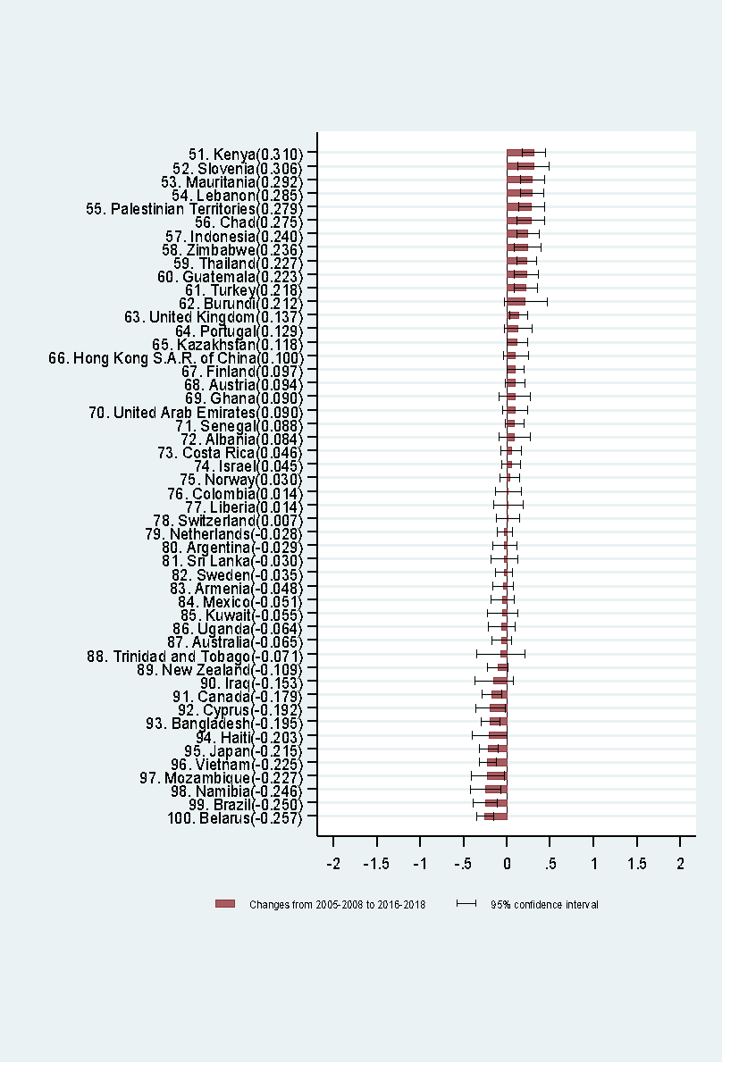
Mali | 0.326 | 0.460 | 0.192
Kenya | 0.310 | 0.441 | 0.179
Slovenia | 0.306 | 0.485 | 0.128
Mauritania | 0.292 | 0.428 | 0.155
Lebanon | 0.285 | 0.415 | 0.156
Palestinian Territories | 0.279 | 0.429 | 0.130
Chad | 0.275 | 0.432 | 0.119
Indonesia | 0.240 | 0.365 | 0.115
Zimbabwe | 0.236 | 0.391 | 0.082
Thailand | 0.227 | 0.343 | 0.112
Guatemala | 0.223 | 0.363 | 0.083
Turkey | 0.218 | 0.348 | 0.087
Burundi | 0.212 | 0.453 | -0.029
United Kingdom | 0.137 | 0.237 | 0.036
Portugal | 0.129 | 0.285 | -0.026
Kazakhstan | 0.118 | 0.232 | 0.004
Hong Kong S.A.R. of China | 0.100 | 0.244 | -0.044
Finland | 0.097 | 0.189 | 0.005
Austria | 0.094 | 0.205 | -0.017
Ghana | 0.090 | 0.267 | -0.086
United Arab Emirates | 0.090 | 0.230 | -0.049
Senegal | 0.088 | 0.194 | -0.017
Albania | 0.084 | 0.261 | -0.092
Costa Rica | 0.046 | 0.163 | -0.071
Israel | 0.045 | 0.150 | -0.059
Norway | 0.030 | 0.140 | -0.081
Colombia | 0.014 | 0.157 | -0.128
Liberia | 0.014 | 0.183 | -0.155
Switzerland | 0.007 | 0.138 | -0.124
Netherlands | -0.028 | 0.056 | -0.113
Argentina | -0.029 | 0.106 | -0.165
Sri Lanka | -0.030 | 0.117 | -0.178
Sweden | -0.035 | 0.061 | -0.131
Armenia | -0.048 | 0.071 | -0.168
Mexico | -0.051 | 0.080 | -0.182
Kuwait | -0.055 | 0.116 | -0.225
Uganda | -0.064 | 0.091 | -0.220
Australia | -0.065 | 0.045 | -0.175
Trinidad and Tobago | -0.071 | 0.200 | -0.342
New Zealand | -0.109 | 0.005 | -0.223
Iraq | -0.153 | 0.062 | -0.367
Canada | -0.179 | -0.070 | -0.288
Cyprus | -0.192 | -0.023 | -0.361
Bangladesh | -0.195 | -0.088 | -0.303
Haiti | -0.203 | -0.008 | -0.398
Japan | -0.215 | -0.111 | -0.319
Vietnam | -0.225 | -0.130 | -0.320
Mozambique | -0.227 | -0.039 | -0.415
Namibia | -0.246 | -0.075 | -0.418
Brazil | -0.250 | -0.114 | -0.386
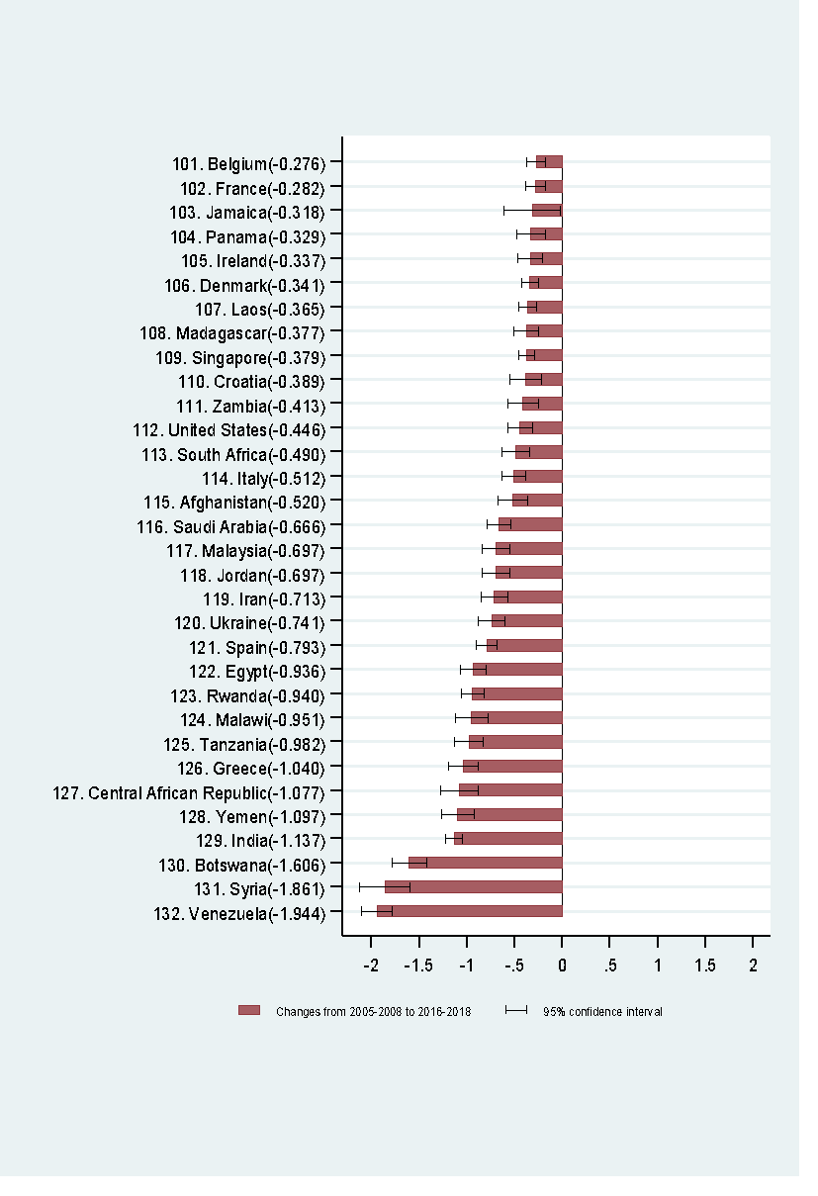
Belarus | -0.257 | -0.160 | -0.354
Belgium | -0.276 | -0.183 | -0.369
France | -0.282 | -0.178 | -0.385
Jamaica | -0.318 | -0.025 | -0.612
Panama | -0.329 | -0.186 | -0.473
Ireland | -0.337 | -0.210 | -0.464
Denmark | -0.341 | -0.252 | -0.430
Laos | -0.365 | -0.270 | -0.460
Madagascar | -0.377 | -0.249 | -0.504
Singapore | -0.379 | -0.298 | -0.460
Croatia | -0.389 | -0.228 | -0.550
Zambia | -0.413 | -0.252 | -0.574
United States | -0.446 | -0.321 | -0.571
South Africa | -0.490 | -0.346 | -0.635
Italy | -0.512 | -0.391 | -0.632
Afghanistan | -0.520 | -0.367 | -0.673
Saudi Arabia | -0.666 | -0.542 | -0.789
Malaysia | -0.697 | -0.557 | -0.836
Jordan | -0.697 | -0.555 | -0.839
Iran | -0.713 | -0.575 | -0.850
Ukraine | -0.741 | -0.608 | -0.875
Spain | -0.793 | -0.687 | -0.899
Egypt | -0.936 | -0.803 | -1.068
Rwanda | -0.940 | -0.820 | -1.060
Malawi | -0.951 | -0.789 | -1.113
Tanzania | -0.982 | -0.832 | -1.131
Greece | -1.040 | -0.890 | -1.190
Central African Republic | -1.077 | -0.885 | -1.269
Yemen | -1.097 | -0.929 | -1.266
India | -1.137 | -1.054 | -1.219
Botswana | -1.606 | -1.429 | -1.784
Syria | -1.861 | -1.604 | -2.119
Venezuela | -1.944 | -1.786 | -2.102

